title_page
Info & case description
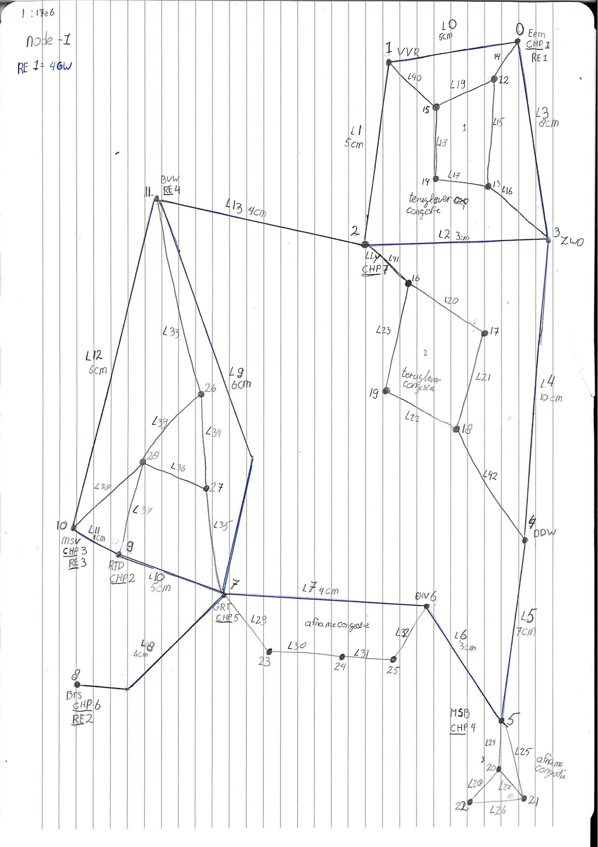

A buy order corresponds with consuming more or generating less | =higher load
A sell order corresponds with consuming less are generating more | =lower load

A negative flow indicates a flow from bus with lower index to bus with higher index

negative prices indicate TSO gets money, positive, not (Both for buy and sell orders)

CBC:
All renewable generation is offered against D-1 price prognosis
Can add manualy for industry to bid sell orders (use less) againt high positive prices

RD:
All renewable generation is offered for almost free (buy order)
All CHP generatio is offered for negaive price(P fuel) (buy order)
All CHP remaining CHP power is offered against their original bidding pirce +premium
Can add manually indstry buy orders against low negative price (using more)
Can add manually industry sell orders against high price (using less TYPE = Industry)
c1

Power is in MW

 |  | 0.15 | 0.225
 |  | 0.07 | 0.105 | 0.225
 |  | 0.35 | 0.525 | 0.105
 |  | 0.026 | 0.039 | 0.525
 |  | 0.06 | 0.090 | 0.039
 |  | 0.03 | 0.045 | 0.09
 |  | 0.017 | 0.026 | 0.045
 |  | 0.12 | 0.180 | 0.0255
 |  | 0.05 | 0.075 | 0.18
 |  | 0.2 | 0.300 | 0.075
 |  |  |  | 0.3

re
RE | node | 0 | 1 | 2 | 3 | 4 | 5 | 6 | 7
0 | 0 | -0.8 | -1.0685682703 | -1.0685682703 | -1.0685682703 | -1.0685682703 | -1.0685682703 | -2 | -1.0685682703
1 | 8 | -1.0107461084 | -0.8 | -1.0107461084 | -1.0107461084 | -1.0107461084 | -1.0107461084 | -1.0107461084 | -2
2 | 10 | -3.1816795 | -3.1816795 | -3.1816795 | -3.1816795 | -2 | -4 | -3.1816795 | -3.1816795
3 | 11 | -0.80129040339 | -0.80129040339 | -0.80129040339 | -0.5 | -0.80129040339 | -0.80129040339 | -1 | -0.80129040339
4 | 12 | -0.21 | -0.21 | -0.385 | -0.35 | -0.42 | -0.525 | -0.42 | -0.28
5 | 13 | -0.09 | -0.09 | -0.165 | -0.15 | -0.18 | -0.225 | -0.18 | -0.12
6 | 15 | -0.042 | -0.042 | -0.077 | -0.07 | -0.084 | -0.105 | -0.084 | -0.056
7 | 16 | -0.018 | -0.018 | -0.033 | -0.03 | -0.036 | -0.045 | -0.036 | -0.024
8 | 17 | -0.036 | -0.036 | -0.066 | -0.06 | -0.072 | -0.09 | -0.072 | -0.048
9 | 18 | -0.0162 | -0.0162 | -0.0297 | -0.027 | -0.0324 | -0.0405 | -0.0324 | -0.0216
10 | 21 | -0.0051 | -0.0051 | -0.00935 | -0.0085 | -0.0102 | -0.01275 | -0.0102 | -0.0068
11 | 22 | -0.0051 | -0.0051 | -0.00935 | -0.0085 | -0.0102 | -0.01275 | -0.0102 | -0.0068
12 | 23 | -0.0239999976 | -0.0239999976 | -0.0439999956 | -0.039999996 | -0.0479999952 | -0.059999994 | -0.0479999952 | -0.0319999968
13 | 24 | -0.0239999976 | -0.0239999976 | -0.0439999956 | -0.039999996 | -0.0479999952 | -0.059999994 | -0.0479999952 | -0.0319999968
14 | 25 | -0.0239999976 | -0.0239999976 | -0.0439999956 | -0.039999996 | -0.0479999952 | -0.059999994 | -0.0479999952 | -0.0319999968

